Calculation Tool
 |  | DOWNTOWN COMOX PARKING CALCULATOR |  |  |  |  | Updated: January 2025
Figure 1
 | Vehicle and Bicycle Parking Calculation Tool

 | This tool should be used for calculation of required parking within Comox Downtown Area only (lands shown shaded in Figure 1). For lands outside of Downtown, please use the Outside Downtown Parking Calculator. Note that visitor parking is not required Downtown, however if fewer than 2 stalls are provided for a residential development of 20 or more units, one loading space must be provided. This tool is for convenience purposes to aid in the calculation of parking requirements for vehicles and bicycles. For legal or interpretive purposes refer to the original Town of Comox, Zoning Bylaw 1850 and amending bylaws. Land uses in this table have been expanded for convenience. In the case where a land use is not specifically mentioned, or parking requirements not specifically provided in the Zoning Bylaw, the required parking spaces shall be the same as for the most comparable use. Contact the planning department for interpretation if you are unsure about the land uses. Follow the instructions below to return a summary of parking requirements at the end of the spreadsheet. The full gross floor area for a use should be entered, the tool will calculate 80% of the area per Zoning Bylaw. All rounding of parking numbers occurs only at the final total. |  |  |  |  |  |  |  | 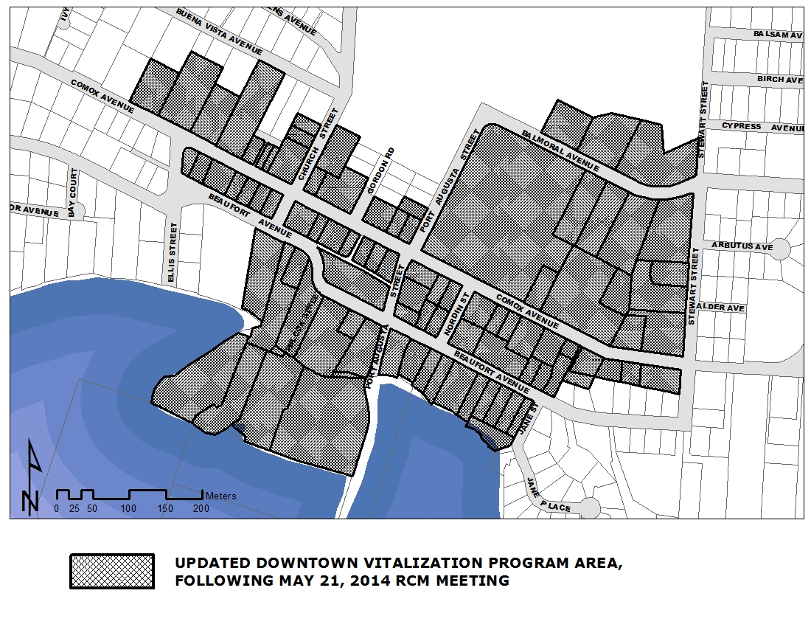
 |  |  | LEGEND
 |  |  | Input Cells
Step 1. Land Use |  |  | Final Calculations
Input the gross floor areas and unit/ people/ classroom/ seat/ table numbers for each use in the appropriate orange cell.

 |  |  | Vehicle |  | Bicycle
Use | Area |  | Requirements | Standard | Requirements | Bicycle Class I | Requirements | Bicycle Class II

A
Animal shelter |  | unit(s) | 2 | 0
Ambulance station |  |  | 0 | 0
Assembly centre (excluding schools) |  | seat(s) | 1 per 10 seats or 1 per 10m2 intended for public use, whichever is greater | 0 | 1 per 125 m² with a minimum of 4 | 0 | 1 per 250 m2 with a minimum of 1 | 0
 |  | m2
B
Bed and Breakfast accommodation |  | land use | 1 | 0
Billiard hall |  | table | 1 per table | 0
Bowling alley |  | lane(s) | 1 per bowling lane | 0
C
Child Care facility |  | children | 1 per 10 children licensed by the Province | 0 | 1 per 125 m² with a minimum of 4 | 0 | 1 per 125 m2 with a minimum of 2 | 0

Congregate care housing |  | unit(s) | 0.25 per unit | 0 | Minimum of 6 | 0 | Minimum of 6 | 0
Community garden |  |  | 0 | 0
Cultural Centre (excluding film theatre and museum) |  | seat(s) | 1 per 10 seats or 1 per 10 m2 intended for public use, whichever is greater | 0 | 1 per 125 m² with a minimum of 4 | 0 | 1 per 250 m2 with a minimum of 1 | 0
 |  | m2
D
Dwelling unit above commercial use |  | unit(s) | 1 | 0
Dwelling, apartment |  | unit(s) | 1 | 0 | 0.25 per unit | 0 | 0.5 per unit | 0
Dwelling, patio |  | unit(s) | 1 | 0
Dwelling, single-family |  | unit(s) | 1 | 0
Dwelling, coach house |  | dwelling(s) | 1 | 0
Dwelling, secondary suite |  | dwelling(s) | 1 | 0
Dwelling, townhouse |  | unit(s) | 1 | 0
Dwelling, small scale multi-family (per unit) |  | unit(s) | 1 | 0
E

F
Film theatre |  | seat(s) | 1 per 10 seats | 0 | 1 per 125 m2 with a minimum of 4 | 0 | 1 per 250 m2 with a minimum of 1 | 0
 |  | m2
Financial institution |  | m2 | 1 per 80m2 | 0 | 1 per 125 m2 with a minimum of 4 | 0 | 1 per 80 m2 with a minimum of 2 | 0
Fire station |  |  | 0 | 0 | 0 | 0 | 1 per 125 m2 with a minimum of 2 | 0
Fish processing or packaging |  | m2 | 1 per 40 m2 | 0
G
Garden Centre |  |  | 0 | 0 | 1 per 125 m2 with a minimum of 4 | 0 | Minimum of 2 | 0
H
Home occupation |  |  | 0 | 0
Hospital |  | m2 | 1 per 80m2 | 0 | Minimum of 6 | 0 | 1 per 250 m2 with a minimum of 1 | 0
Hotel |  | m2 | 1 per sleeping unit | 0 | 1 per 500 m2 with a minimum of 2 | 0 | 1 per 500 m2 with a minimum of 2 | 0
 |  | unit(s)
I
Intermediate care facility |  | bed(s) | 0.25 per bed | 0 | Minimum of 6 | 0 | Minimum of 6 | 0
L
Library |  | seat(s) | 1 per 10 seats or 1 per 10 m2 intended for public use, whichever is greater | 0 | 1 per 125 m2 with a minimum of 6 | 0 | 1 per 250m2 with a minimum of 1 | 0
 |  | m2
M
Manufacturing, processing or packaging, excluding fish processing or packaging |  | m2 | 1 per 90m2 | 0 | 0 | 0 | 1 per 125 m2 with a minimum of 1 | 0
Marina |  | berths | 1 per 2 berths | 0 | Minimum of 6 | 0 | 0 | 0
Marine fueling station |  |  | 1 | 0 | 0 | 0 | 0 | 0
Marine grid for boat maintenance |  | grid | 1 per grid | 0 | 0 | 0 | 0 | 0
Medical clinic, dental clinic |  | m2 | 1 per 80 m2 | 0 | 1 per 125 m2 with a minimum of 4 | 0 | 1 per 80 m2 with a minimum of 2 | 0
Museum |  |  | 0 | 0 | 1 per 125 m2 with a minimum of 6 | 0 | 1 per 250 m2 with a minimum of 1 | 0
O
Office |  | m2 | 1 per 80 m2 | 0 | 1 per 125 m2 with a minimum of 4 | 0 | 1 per 80 m2 with a minimum of 2 | 0
P
Park, playground, sports field |  |  | 0 | 0 | Minimum of 6 | 0
Personal service establishment |  | m2 | 1 per 80 m2 | 0 | 1 per 125 m2 with a minimum of 4 | 0 | 1 per 80 m2 with a minimum of 2 | 0
Produce stalls |  |  | 0 | 0
Pub, neighbourhood pub, brew pub, marine pub |  | seat(s) | 0 | 0 | 1 per 125 m2 with a minimum of 4 | 0 | 1 per 125 m2 with a minimum of 2 | 0
 |  | m2
R
Recreation facility |  | m2 | 1 per 80 m2 | 0 | 1 per 125 m2 with a minimum of 6 | 0 | 1 per 250 m2 with a minimum of 1 | 0
Recycling drop-off centre |  | m2 | 1 per 90 m2 | 0 | 0 | 0
Repair, servicing or testing of appliances, machinery, equipment, tools or boats |  | m2 | 1 per 90 m2 | 0 | 0 | 0 | 1 per 125 m2 with a minimum of 1 | 0
Restaurant, restaurant-lounge, bistro, coffee shop |  | m2 | 0 | 0 | 1 per 125 m2 with a minimum of 4 | 0 | 1 per 125 m2 with a minimum of 2 | 0
Retail store, inlcuding liquor store |  | m2 | 1 per 80m² of gross floor area up to 500m² , and 1 per each additional 20m² of gross floor area over 500m² | 0 | 1 per 125 m2 with a minimum of 4 | 0 | 1 per 125 m2 with a minimum of 2 | 0
S
School, adult education |  | classroom(s) | 1 per 80m² of gross floor area up to 500m² , and 1 per each additional 20m² of gross floor area over 500m² | 0 | 1 per 125m² of gross floor area up to 500m² with a minumum of 4, or 4 per each classroom if gross floor area is over 500m² | 0 | 0.5 per classroom | 0
 |  | m2
School, primary, elementary, junior high |  | classroom(s) | 1 per classroom | 0
School, senior high |  | classroom(s) | 4 per classroom | 0
U
Unstaffed public utility building or facility, such as telephone exchanges or transformer stations |  |  | 1 | 0 | 0 | 0
V
Veterinary clinic |  | m2 | 1 per 80 m2 | 0 | 1 per 125 m2 with a minimum of 2 | 0 | 1 per 80 m2 with a minimum of 2 | 0
Video rental store |  | m2 | 1 per 80 m2 | 0 | 1 per 125 m2 with a minimum of 4 | 0 | 1 per 125 m2 with a minimum of 2 | 0
W

 |  |  | TOTAL | 0 |  | 0 |  | 0
 |  |  |  | Standard |  | Bicycle Class I |  | Bicycle Class II
The total required vehicle parking spaces and bicycle parking spaces are highlighted in yellow.

Step 2. Accessible Parking Spaces
For Commercial and Industrial uses, accessible parking spaces shall be provided in accordance with the provisions of the British Columbia Building Code and Section 6.9 of Zoning Bylaw. Accessible parking is required for adaptable and accessible units. Where adaptable dwelling units are provided, the number of parking spaces for the units shall be in accordance with Section 5.20 of Zoning Bylaw: one per 4 units and at a ratio of 0.25 for each additional adapatable unit (inclued in the total number required parking spaces).

Proposed number of adaptable units?

Accessible stalls required | 0

Step 3. Loading Spaces
Industrial and Commercial uses with gross floor area of 475 m² or greater require loading spaces.
Commercial and Industrial uses total gross floor area |  | m2

A total of | 0 | loading spaces are required.

Summary of Parking Requirements

Civic Address:
Applicant:
Proposed Land Use(s):
Date:

The following is a summary of the parking requirements for vehicles and bicycles, based on the information provided in the previous three steps. This information is for convenience only, the Comox Zoning Bylaw 1850 must be referenced for legal purposes.

Vehicles |  |  | Bicycles
Standard Car stalls | 0 |  | Class I | 0
...

